Sheet1
Country/Region | Publication date | Question | Model | Sub population | Input data |  |  | Sensitivity analysis or fitted variables | Ref |  | Note
 |  |  |  |  | Epi | Response | Demography
Africa | 2020-02-19 | Which countries are vulnerable? |  |  | - Number of source cases - Volume of air travel | - Preparedness, using the WHO International Health Regulations Monitoring and Evaluation Framework - Vulnerability, using the Infectious Disease Vulnerability Index - SPAR database with 24 indicators | Population size | Not sure | Africa 2020 02 19 Gillbert Lancet
China | 2020-03-31 | Estimate of the size of the epidemic in Wuhan Forecast the extent of the domestic and global public health risks of epidemics | Susceptible-exposed-infectious-recovered metapopulation model. Basic reproductive number: Markov Chain Monte Carlo methods |  | - # of cases - Serial interval - Incubation period - Monthly flight bookings - Daily number of domestic passengers by means of transportation - Domestic passenger volumes from and to Wuhan during festival | - Metropolitan-wide quarantine | Population size | Not sure | China 2020 01 31 Wu Lancet
China | 2020-03-11 | Estimated how transmission in Wuhan varied different periods Assess the potential for sustained human-to-human transmission to occur in locations outside Wuhan | Combined a stochastic transmission model with data on cases of coronavirus disease 2019 (COVID-19) in Wuhan and international cases that originated in Wuhan. Calculated the probability that newly introduced cases might generate outbreaks in other areas | - Wuhan people - International travels from Wuhan catagorized into: - Susceptible - Exposed (but not yet infectious) - Infectious, - Removed (ie, isolated, recovered, or otherwise no longer infectious) | - Symptom onset and reporting - Uncertainty in case observation - Incubation period - Delay from onset to isolation - Number of case - Number of outbound travellers - Relative connectivity of different countries - Relative probability of reporting a case outside Wuhan, to account for differences in clinical case definition, detection, and reporting within Wuhan and internationally | - Travel restriction |  | - Daily number of new internationally exported cases - Daily number of new cases in Wuhan with no market exposure - Daily number of new cases in China, by date of onset, between Dec 29-Jan 23 - Proportion of infected passengers on evacuation flights between Jan 29-Feb 4 - Daily number of new exported cases from Wuhan in countries with high connectivity to Wuhan - New confirmed cases reported in Wuhan between Jan 16-Feb 11 | China 11032020 Adam JK | 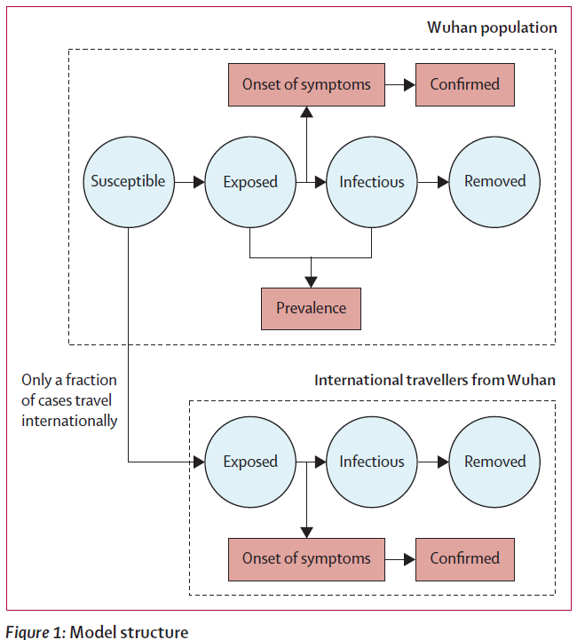 | sub population based
Global | 2020-02-27 | Estimate countrylevel exportation risks of the outbreak | Monte Carlo simulations |  | - Daily incidence - Global airport network connectivity from mainland China | - Travel lockdown - Contact tracing at the epicenter - Airport screening - Incubation period |  |  | Global Travel 2020 03 12 PNAS
China | 2020-02-28 | Assess if isolation and contact tracing are able to control onwards transmission from imported cases | Branching process model |  | - # of initial case - R0 - Symptomatic - Delay from symptom onset to isolation - Probability that contacts were traced - Proportion of transmission that occurred before symptom onset - Proportion of subclinical infections | - Delay from symptom onset to isolation - Probability that contacts were traced |  |  | Islolation simulation 2020 03 05 Hellewell Lancet | 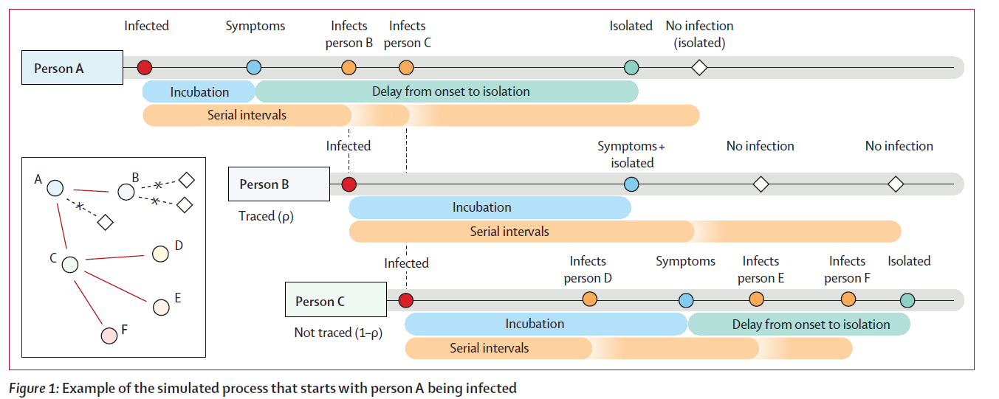 | Contact tracing based
Italy | 2020-03-12 | What is predicted to happen in the days and weeks to come | Exponential model to compare trend in China and Italy | - Infected case - People in intensive care |  |  |  |  | Italy 12032020 Andrea R
US/UK | 2020-03-16 | Impact of non-pharmaceutical interventions (NPIs) to reduce COVID-19 mortality and healthcare demand | Modified an individual-based simulation model developed to support pandemic influenza planning | Individuals reside in areas defined by high-resolution population density | - Contact within the household, at school, in the workplace and in the wider community - Spatial distance - Incubation period - Infectiousness - Onset of symptoms - IFR | - Home isolation - Volunteer home quarantine - Social distancing - Closure of school and university - Hospitalization | - Age - Household distribution size - Average class sizes and staff-student ratios - workplace size | - the early growth-rate of the epidemic in Wuhan

